Data
Winter 2020 forecast

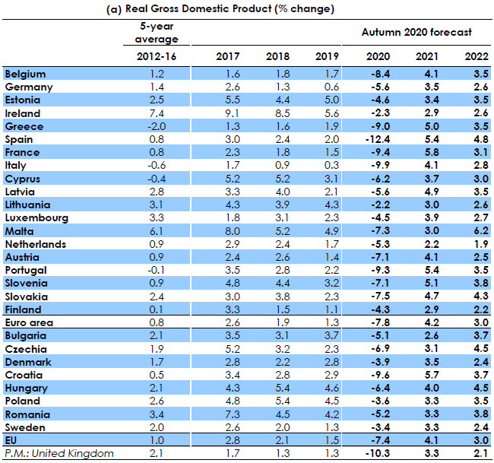
Autumn 2020 forecast

Counterfactual GDP Growth Rate | 1.4%
2020 GDP Prediction | -7.4%

